Sheet1
 | Landing Page
Portfolio Website |  |  | Theme selections
 |  |  | Animations fade in and out while scrolling
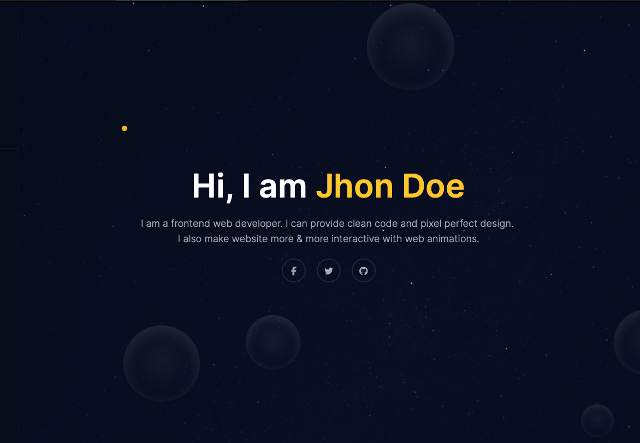
 |  |  | Mouse Pointer with dot follow on
Landing page |  |  | Page to include menu bar
Travel Blogs |  |  | photo/abstract
Link to Social Profiles |  |  | 1line description
Resume (download)
About |  |  | background bubbles are constantly moving around
 |  |  | snow animation <- code on insta

 |  |  | similar to icon animations
 |  |  | make buttons too, that come alive when hover/ randomly
 |  |  | and take you to that section of the page

 |  |  | this kind of backgroundless graphic check how to make

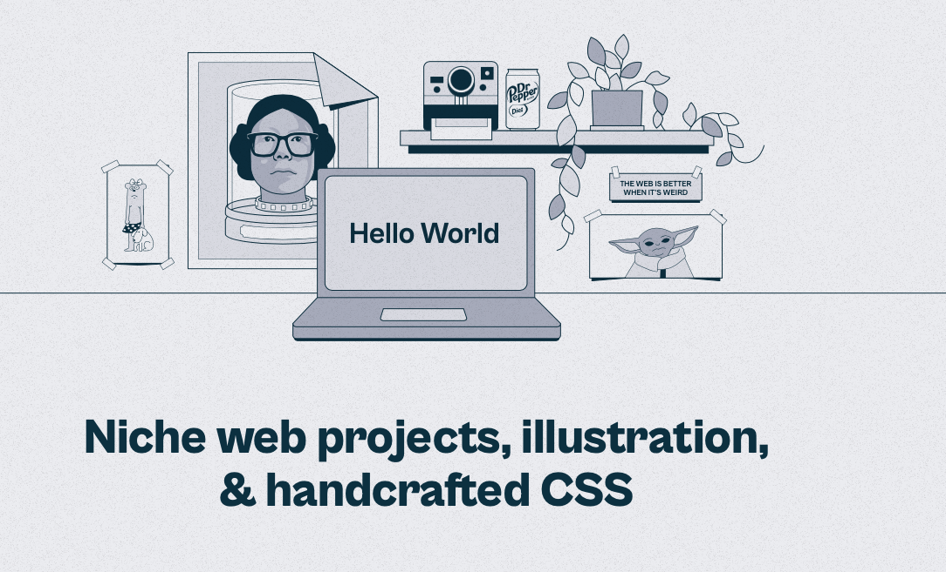

 | About/Resume
 |  |  | About me
 |  |  | Link to social apps
 |  |  | About me timeline types?
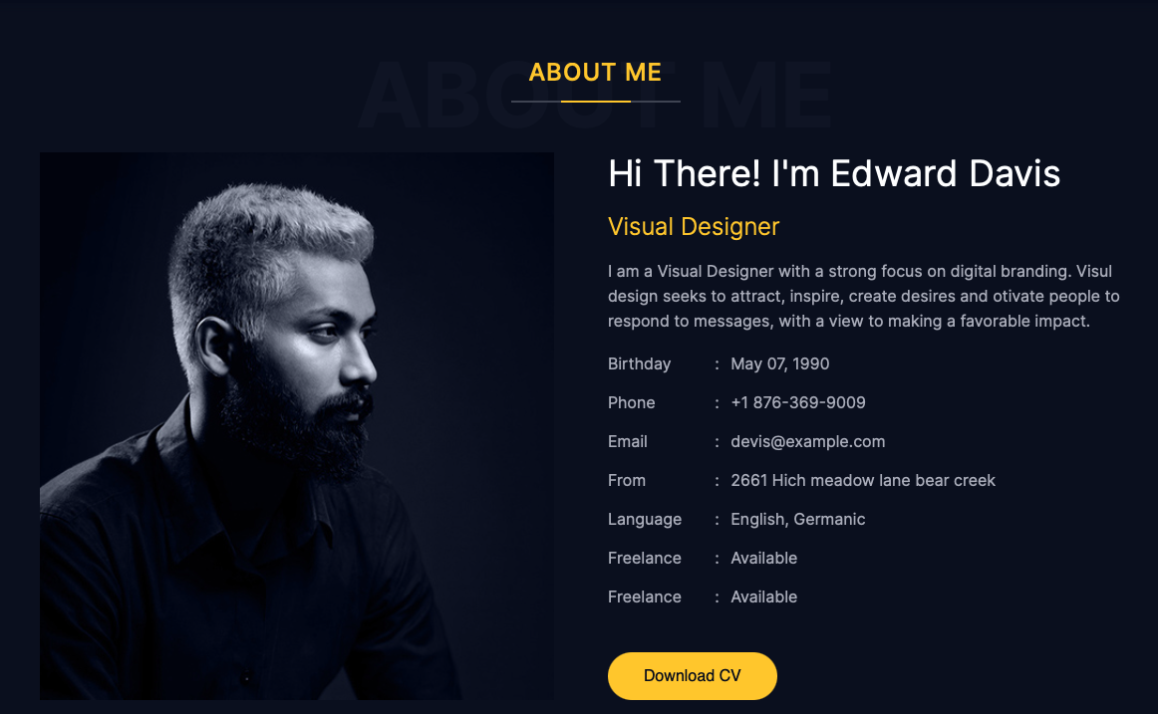
 |  |  | Resume short + download button
 |  |  | Github API to fetch my top 6 repositories



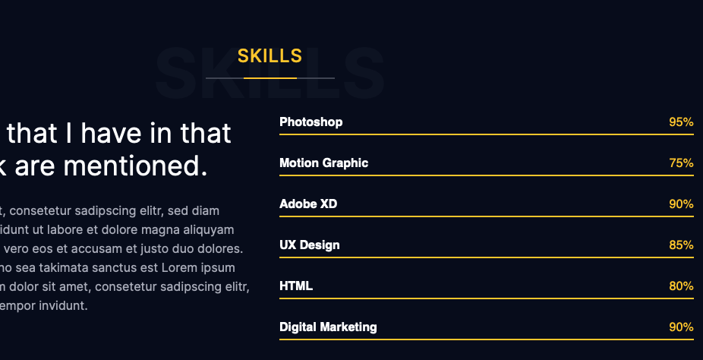

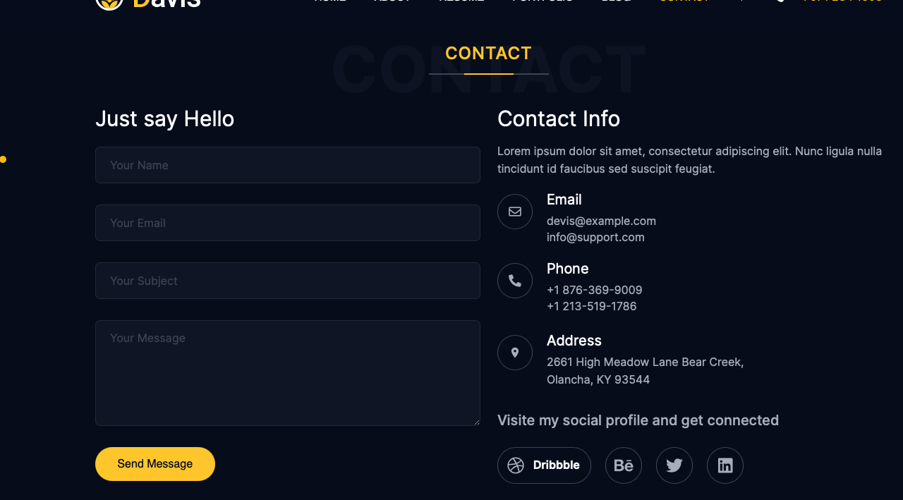
 | Contact Me
 |  |  | Creative contact me page
 |  |  | animation of senidng mail or something

 |  |  | show animation of ringing phone/ new email vibrate or
 |  |  | map kinda animation

 |  | these icons - show text when hover, else animatedly become icons

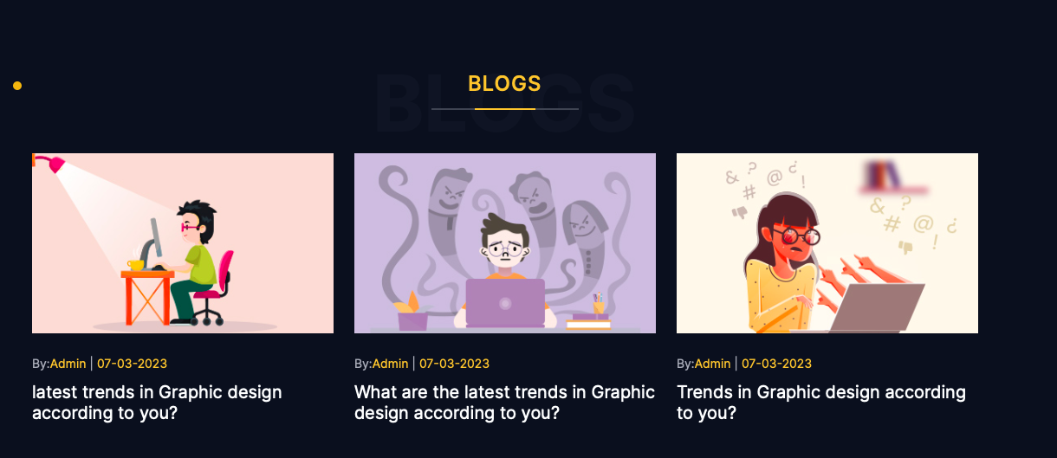
 | Travel Blog
 |  |  | A collection of storyline
 |  |  | To include pictures along with written log of the trip
 |  |  | Creative way, think 3d animations

 |  |  | blog page will have photo background, rest of data rolling over it

 |  |  | images to be included but in a cute and visually appealing way

 |  |  | you can include a comment section

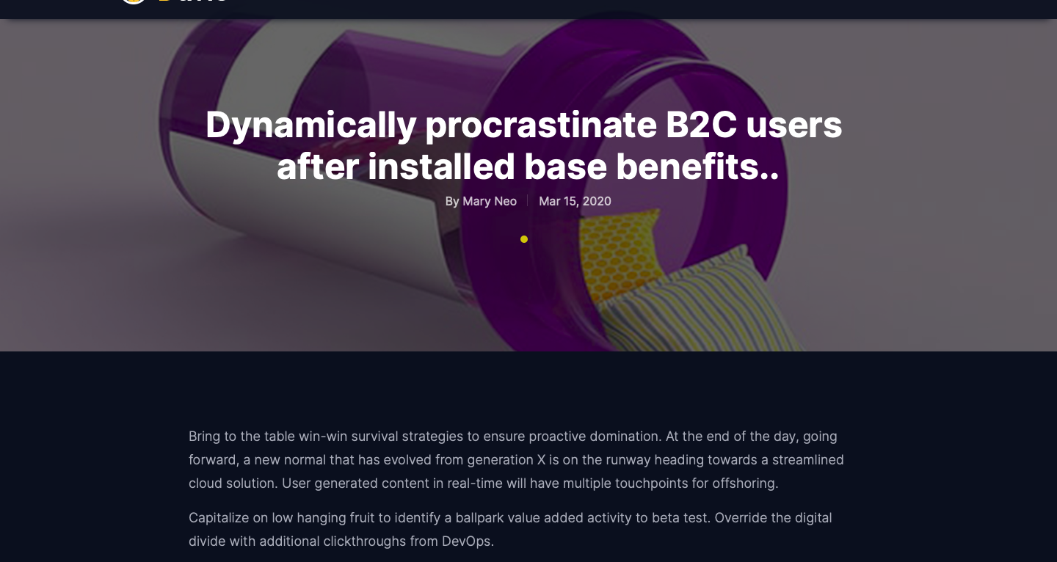

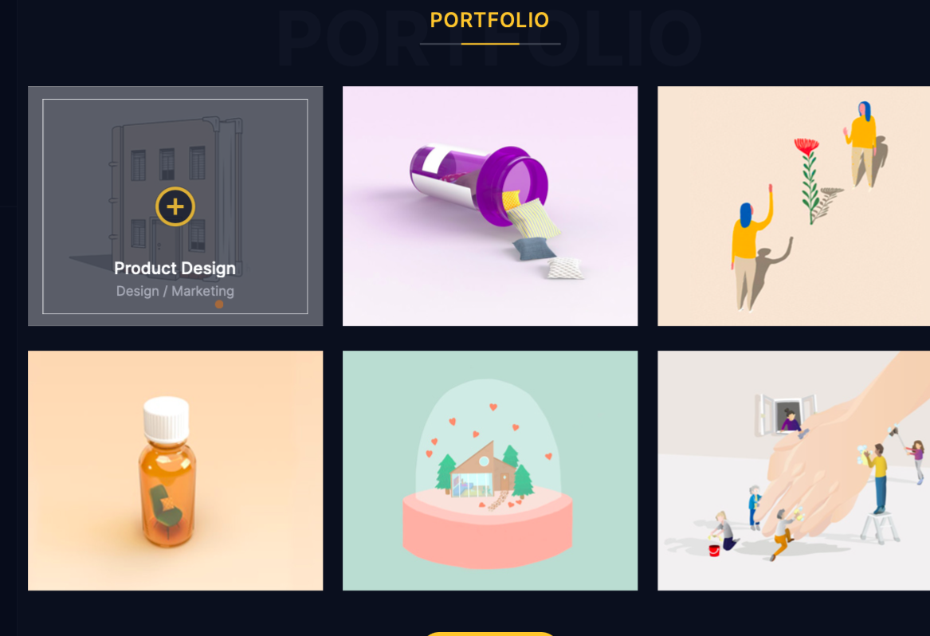
 | My Creations/ Product Page
 |  |  | To include mainly css designs and animations
 |  |  | Other if any?
 |  |  | See if you can make a code and animation viewer side by side

 |  |  | on hover click and open in detail, show code
 |  |  | you can show some cool photo or animation for work in progress

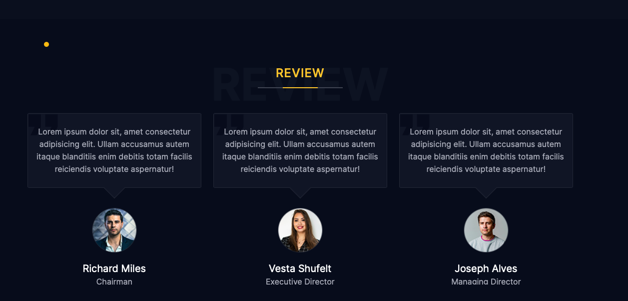
 |  |  | check to see if you can load linkedin recommendations

